IRP 2019-2020 preliminary
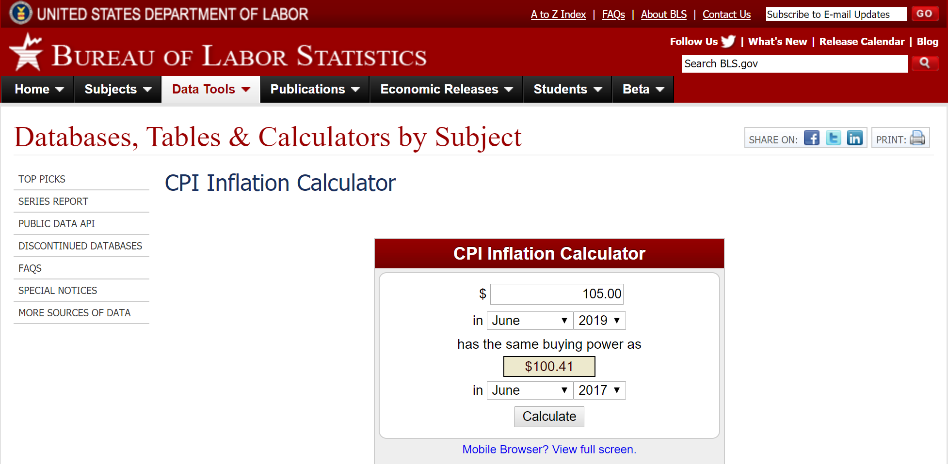
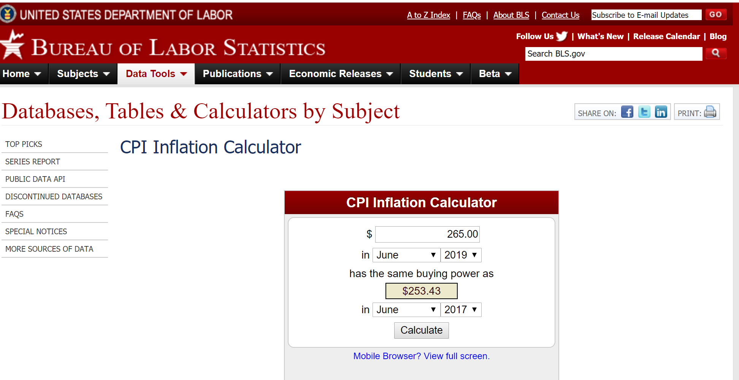
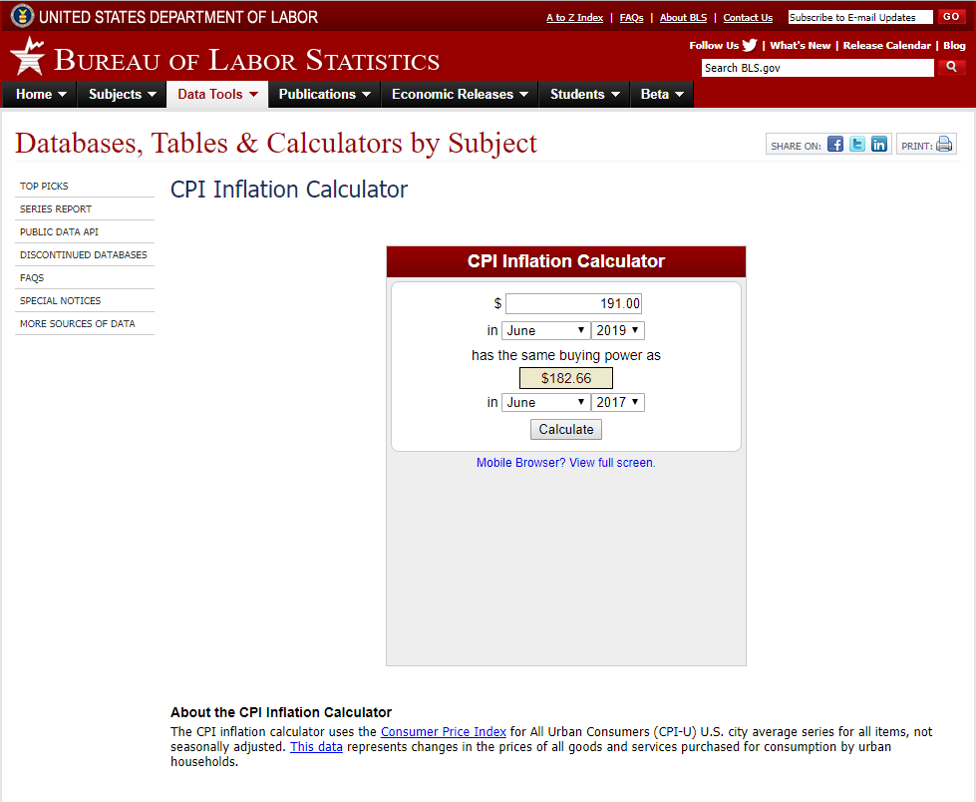
 | 2020 | 2030
Capacity cost in RESOLVE
2019 dollars | 191 | 105
2017 dollars | 182.66 | 100.41

1.4 energy to capacity ratio |  | 1.4
(implied in Lazard finance model)

Energy cost in Resolve
2019 dollars | 265 | 145
2017 dollars | 253.43 | 138.67
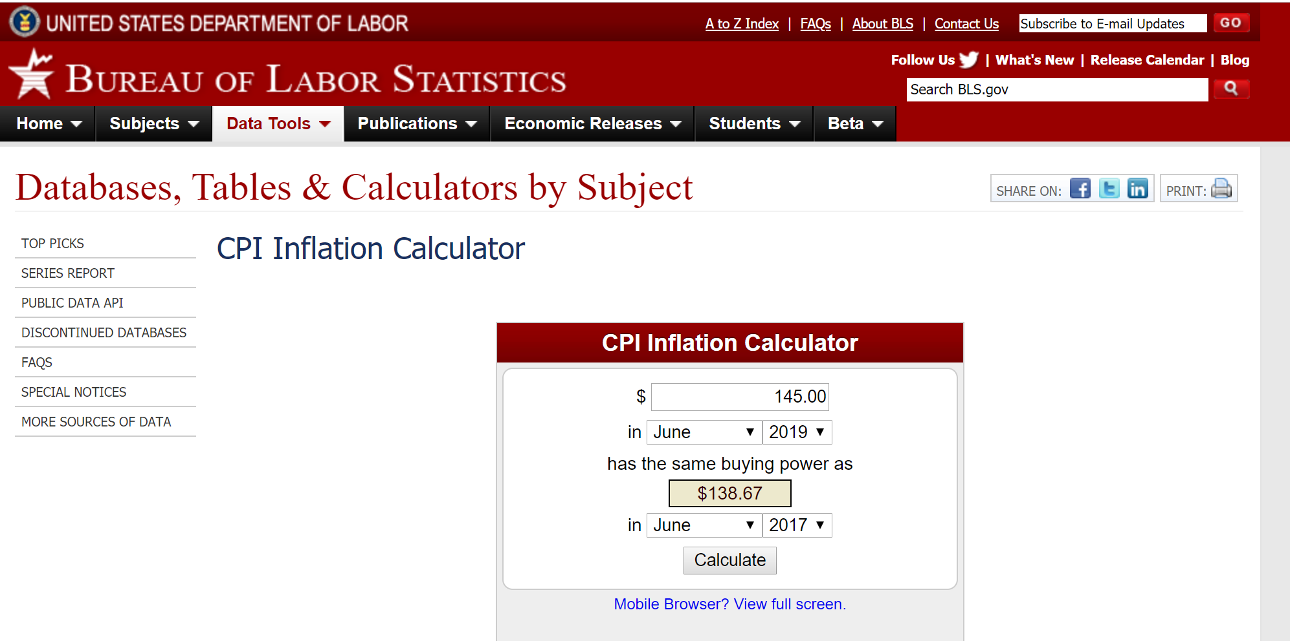
Stacked 2030 value |  | 294.548

IRP background
